Лист1
 | MD (m) | Inc (°) | Azi (°) | TVD (m) | TVDSS (m) | V.Sec (m) | NS (m) | EW (m) | Dogleg (°/30m) | T.Face (°) | CL (m) | Northing (m) | Easting (m) | Target
1 | 0.00 | 0.00 | 0.00 | 0.00 | 0.00 | 0.00 | 0.00 | 0.00 | 0.000 | 0.00 |  | 5291276.82 | 10285904.34
2 | 52.00 | 0.00 | 0.00 | 52.00 | 52.00 | 0.00 | 0.00 | 0.00 | 0.000 | 0.00 | 52.00 | 5291276.82 | 10285904.34
3 | 347.22 | 87.98 | 348.99 | 244.15 | 244.15 | 184.10 | 182.06 | -35.43 | 8.940 | 348.99 | 295.22 | 5291458.88 | 10285868.91
4 | 378.97 | 87.98 | 348.99 | 245.27 | 245.27 | 215.59 | 213.20 | -41.49 | 0.000 | 0.00 | 31.75 | 5291490.02 | 10285862.85
5 | 431.81 | 88.00 | 0.00 | 247.13 | 247.13 | 268.30 | 265.69 | -46.55 | 6.248 | 90.07 | 52.84 | 5291542.51 | 10285857.79 | Т_1
6 | 828.77 | 88.00 | 0.00 | 260.99 | 260.99 | 664.04 | 662.41 | -46.55 | 0.000 | 0.00 | 396.96 | 5291939.23 | 10285857.79 | Т_2

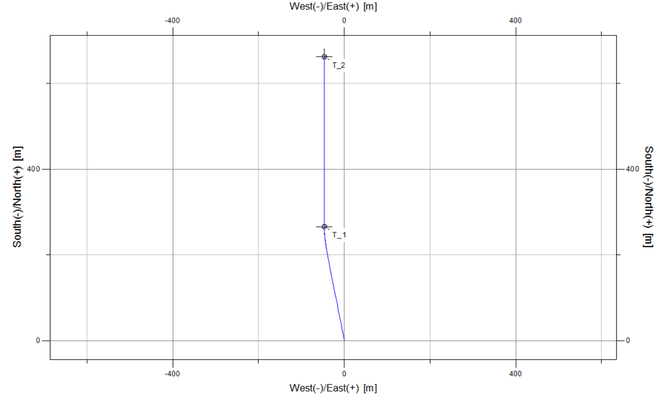
Customer | 04. КМГ-Бурение | Creation Date 1/1/1990
Project | Молдабек | Profile Type
Field | Молдабек | Your Ref
Structure | 2758 ГС | Job Number
Wellhead | 2758 | Kelly Bushing Elev. | 0.00
Profile | Design #1 | Print Date | 8/23/2023
MD | Incl. | Azim. | Sub-Sea | TVD | Local N Coord | Local E Coord | Global N Coord | Global E Coord | Dogleg | Vertical Section
(m) | Deg. | Deg. | (m) | (m) | (m) | (m) | (m) | (m) | (dega/30m) | (m)
0.000 | 0.000 | 0.000 | 0.000 | 0.000 | 0.000 | 0.000 | 5291276.820 | 10285904.340 | 0.000 | 0.00
52.000 | 0.000 | 0.000 | 52.000 | 52.000 | 0.000 | 0.000 | 5291276.820 | 10285904.340 | 0.000 | 0.00
60.000 | 2.384 | 348.988 | 59.998 | 59.998 | 0.163 | -0.032 | 5291276.983 | 10285904.308 | 8.940 | 0.17
70.000 | 5.364 | 348.988 | 69.974 | 69.974 | 0.826 | -0.161 | 5291277.646 | 10285904.179 | 8.940 | 0.84
80.000 | 8.344 | 348.988 | 79.901 | 79.901 | 1.998 | -0.389 | 5291278.818 | 10285903.951 | 8.940 | 2.02
90.000 | 11.324 | 348.988 | 89.753 | 89.753 | 3.674 | -0.715 | 5291280.494 | 10285903.625 | 8.940 | 3.72
100.000 | 14.304 | 348.988 | 99.503 | 99.503 | 5.851 | -1.139 | 5291282.671 | 10285903.201 | 8.940 | 5.92
110.000 | 17.284 | 348.988 | 109.124 | 109.124 | 8.522 | -1.658 | 5291285.342 | 10285902.682 | 8.940 | 8.62
120.000 | 20.264 | 348.988 | 118.591 | 118.591 | 11.681 | -2.273 | 5291288.501 | 10285902.067 | 8.940 | 11.81
130.000 | 23.244 | 348.988 | 127.878 | 127.878 | 15.319 | -2.981 | 5291292.139 | 10285901.359 | 8.940 | 15.49
140.000 | 26.224 | 348.988 | 136.960 | 136.960 | 19.425 | -3.780 | 5291296.245 | 10285900.560 | 8.940 | 19.64
150.000 | 29.204 | 348.988 | 145.811 | 145.811 | 23.989 | -4.668 | 5291300.809 | 10285899.672 | 8.940 | 24.26
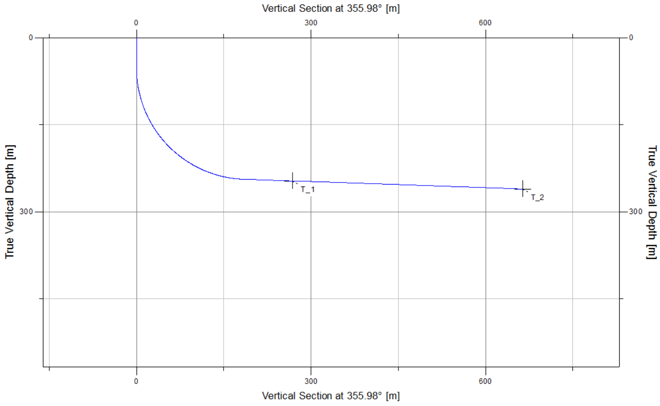
160.000 | 32.184 | 348.988 | 154.409 | 154.409 | 28.999 | -5.643 | 5291305.819 | 10285898.697 | 8.940 | 29.32
170.000 | 35.164 | 348.988 | 162.731 | 162.731 | 34.441 | -6.702 | 5291311.261 | 10285897.638 | 8.940 | 34.83
180.000 | 38.144 | 348.988 | 170.752 | 170.752 | 40.301 | -7.843 | 5291317.121 | 10285896.497 | 8.940 | 40.75
190.000 | 41.124 | 348.988 | 178.453 | 178.453 | 46.561 | -9.061 | 5291323.381 | 10285895.279 | 8.940 | 47.08
200.000 | 44.104 | 348.988 | 185.811 | 185.811 | 53.206 | -10.354 | 5291330.026 | 10285893.986 | 8.940 | 53.80
210.000 | 47.084 | 348.988 | 192.808 | 192.808 | 60.218 | -11.719 | 5291337.038 | 10285892.621 | 8.940 | 60.89
220.000 | 50.064 | 348.988 | 199.424 | 199.424 | 67.577 | -13.151 | 5291344.397 | 10285891.189 | 8.940 | 68.33
230.000 | 53.044 | 348.988 | 205.641 | 205.641 | 75.264 | -14.647 | 5291352.084 | 10285889.693 | 8.940 | 76.11
240.000 | 56.024 | 348.988 | 211.442 | 211.442 | 83.258 | -16.202 | 5291360.078 | 10285888.138 | 8.940 | 84.19
250.000 | 59.004 | 348.988 | 216.813 | 216.813 | 91.537 | -17.814 | 5291368.357 | 10285886.526 | 8.940 | 92.56
260.000 | 61.984 | 348.988 | 221.737 | 221.737 | 100.079 | -19.476 | 5291376.899 | 10285884.864 | 8.940 | 101.20
270.000 | 64.964 | 348.988 | 226.203 | 226.203 | 108.860 | -21.185 | 5291385.680 | 10285883.155 | 8.940 | 110.08
280.000 | 67.944 | 348.988 | 230.197 | 230.197 | 117.858 | -22.936 | 5291394.678 | 10285881.404 | 8.940 | 119.18
290.000 | 70.924 | 348.988 | 233.710 | 233.710 | 127.047 | -24.724 | 5291403.867 | 10285879.616 | 8.940 | 128.47
300.000 | 73.904 | 348.988 | 236.731 | 236.731 | 136.403 | -26.545 | 5291413.223 | 10285877.795 | 8.940 | 137.93
310.000 | 76.884 | 348.988 | 239.252 | 239.252 | 145.901 | -28.393 | 5291422.721 | 10285875.947 | 8.940 | 147.53
320.000 | 79.864 | 348.988 | 241.267 | 241.267 | 155.514 | -30.264 | 5291432.334 | 10285874.076 | 8.940 | 157.25
330.000 | 82.844 | 348.988 | 242.770 | 242.770 | 165.217 | -32.152 | 5291442.037 | 10285872.188 | 8.940 | 167.06
340.000 | 85.824 | 348.988 | 243.757 | 243.757 | 174.984 | -34.053 | 5291451.804 | 10285870.287 | 8.940 | 176.94
347.220 | 87.976 | 348.988 | 244.147 | 244.147 | 182.061 | -35.430 | 5291458.881 | 10285868.910 | 8.941 | 184.10
350.000 | 87.976 | 348.988 | 244.245 | 244.245 | 184.787 | -35.961 | 5291461.607 | 10285868.379 | 0.000 | 186.85
360.000 | 87.976 | 348.988 | 244.599 | 244.599 | 194.597 | -37.870 | 5291471.417 | 10285866.470 | 0.000 | 196.77
370.000 | 87.976 | 348.988 | 244.952 | 244.952 | 204.407 | -39.779 | 5291481.227 | 10285864.561 | 0.000 | 206.69
378.967 | 87.976 | 348.988 | 245.269 | 245.269 | 213.204 | -41.490 | 5291490.024 | 10285862.850 | 0.000 | 215.59
380.000 | 87.976 | 349.203 | 245.305 | 245.305 | 214.217 | -41.686 | 5291491.037 | 10285862.654 | 6.248 | 216.61
390.000 | 87.975 | 351.287 | 245.658 | 245.658 | 224.066 | -43.379 | 5291500.886 | 10285860.961 | 6.248 | 226.56
400.000 | 87.976 | 353.371 | 246.012 | 246.012 | 233.969 | -44.713 | 5291510.789 | 10285859.627 | 6.248 | 236.53
410.000 | 87.980 | 355.455 | 246.365 | 246.365 | 243.915 | -45.686 | 5291520.735 | 10285858.654 | 6.248 | 246.52
420.000 | 87.987 | 357.539 | 246.716 | 246.716 | 253.890 | -46.297 | 5291530.710 | 10285858.043 | 6.248 | 256.51
430.000 | 87.997 | 359.623 | 247.067 | 247.067 | 263.880 | -46.544 | 5291540.700 | 10285857.796 | 6.248 | 266.49
431.811 | 87.999 | 0.000 | 247.130 | 247.130 | 265.690 | -46.550 | 5291542.510 | 10285857.790 | 6.248 | 268.30
440.000 | 87.999 | 0.000 | 247.416 | 247.416 | 273.874 | -46.550 | 5291550.694 | 10285857.790 | 0.000 | 276.46
450.000 | 87.999 | 0.000 | 247.765 | 247.765 | 283.868 | -46.550 | 5291560.688 | 10285857.790 | 0.000 | 286.43
460.000 | 87.999 | 0.000 | 248.114 | 248.114 | 293.862 | -46.550 | 5291570.682 | 10285857.790 | 0.000 | 296.40
470.000 | 87.999 | 0.000 | 248.463 | 248.463 | 303.856 | -46.550 | 5291580.676 | 10285857.790 | 0.000 | 306.37
480.000 | 87.999 | 0.000 | 248.813 | 248.813 | 313.850 | -46.550 | 5291590.670 | 10285857.790 | 0.000 | 316.34
490.000 | 87.999 | 0.000 | 249.162 | 249.162 | 323.843 | -46.550 | 5291600.663 | 10285857.790 | 0.000 | 326.31
500.000 | 87.999 | 0.000 | 249.511 | 249.511 | 333.837 | -46.550 | 5291610.657 | 10285857.790 | 0.000 | 336.28
510.000 | 87.999 | 0.000 | 249.860 | 249.860 | 343.831 | -46.550 | 5291620.651 | 10285857.790 | 0.000 | 346.25
520.000 | 87.999 | 0.000 | 250.209 | 250.209 | 353.825 | -46.550 | 5291630.645 | 10285857.790 | 0.000 | 356.22
530.000 | 87.999 | 0.000 | 250.558 | 250.558 | 363.819 | -46.550 | 5291640.639 | 10285857.790 | 0.000 | 366.19
540.000 | 87.999 | 0.000 | 250.907 | 250.907 | 373.813 | -46.550 | 5291650.633 | 10285857.790 | 0.000 | 376.16
550.000 | 87.999 | 0.000 | 251.257 | 251.257 | 383.807 | -46.550 | 5291660.627 | 10285857.790 | 0.000 | 386.13
560.000 | 87.999 | 0.000 | 251.606 | 251.606 | 393.801 | -46.550 | 5291670.621 | 10285857.790 | 0.000 | 396.10
570.000 | 87.999 | 0.000 | 251.955 | 251.955 | 403.795 | -46.550 | 5291680.615 | 10285857.790 | 0.000 | 406.06
580.000 | 87.999 | 0.000 | 252.304 | 252.304 | 413.789 | -46.550 | 5291690.609 | 10285857.790 | 0.000 | 416.03
590.000 | 87.999 | 0.000 | 252.653 | 252.653 | 423.782 | -46.550 | 5291700.602 | 10285857.790 | 0.000 | 426.00
600.000 | 87.999 | 0.000 | 253.002 | 253.002 | 433.776 | -46.550 | 5291710.596 | 10285857.790 | 0.000 | 435.97
610.000 | 87.999 | 0.000 | 253.351 | 253.351 | 443.770 | -46.550 | 5291720.590 | 10285857.790 | 0.000 | 445.94
620.000 | 87.999 | 0.000 | 253.701 | 253.701 | 453.764 | -46.550 | 5291730.584 | 10285857.790 | 0.000 | 455.91
630.000 | 87.999 | 0.000 | 254.050 | 254.050 | 463.758 | -46.550 | 5291740.578 | 10285857.790 | 0.000 | 465.88
640.000 | 87.999 | 0.000 | 254.399 | 254.399 | 473.752 | -46.550 | 5291750.572 | 10285857.790 | 0.000 | 475.85
650.000 | 87.999 | 0.000 | 254.748 | 254.748 | 483.746 | -46.550 | 5291760.566 | 10285857.790 | 0.000 | 485.82
660.000 | 87.999 | 0.000 | 255.097 | 255.097 | 493.740 | -46.550 | 5291770.560 | 10285857.790 | 0.000 | 495.79
670.000 | 87.999 | 0.000 | 255.446 | 255.446 | 503.734 | -46.550 | 5291780.554 | 10285857.790 | 0.000 | 505.76
680.000 | 87.999 | 0.000 | 255.796 | 255.796 | 513.728 | -46.550 | 5291790.548 | 10285857.790 | 0.000 | 515.73
690.000 | 87.999 | 0.000 | 256.145 | 256.145 | 523.722 | -46.550 | 5291800.542 | 10285857.790 | 0.000 | 525.70
700.000 | 87.999 | 0.000 | 256.494 | 256.494 | 533.715 | -46.550 | 5291810.535 | 10285857.790 | 0.000 | 535.67
710.000 | 87.999 | 0.000 | 256.843 | 256.843 | 543.709 | -46.550 | 5291820.529 | 10285857.790 | 0.000 | 545.63
720.000 | 87.999 | 0.000 | 257.192 | 257.192 | 553.703 | -46.550 | 5291830.523 | 10285857.790 | 0.000 | 555.60
730.000 | 87.999 | 0.000 | 257.541 | 257.541 | 563.697 | -46.550 | 5291840.517 | 10285857.790 | 0.000 | 565.57
740.000 | 87.999 | 0.000 | 257.890 | 257.890 | 573.691 | -46.550 | 5291850.511 | 10285857.790 | 0.000 | 575.54
750.000 | 87.999 | 0.000 | 258.240 | 258.240 | 583.685 | -46.550 | 5291860.505 | 10285857.790 | 0.000 | 585.51
760.000 | 87.999 | 0.000 | 258.589 | 258.589 | 593.679 | -46.550 | 5291870.499 | 10285857.790 | 0.000 | 595.48
770.000 | 87.999 | 0.000 | 258.938 | 258.938 | 603.673 | -46.550 | 5291880.493 | 10285857.790 | 0.000 | 605.45
780.000 | 87.999 | 0.000 | 259.287 | 259.287 | 613.667 | -46.550 | 5291890.487 | 10285857.790 | 0.000 | 615.42
790.000 | 87.999 | 0.000 | 259.636 | 259.636 | 623.661 | -46.550 | 5291900.481 | 10285857.790 | 0.000 | 625.39
800.000 | 87.999 | 0.000 | 259.985 | 259.985 | 633.654 | -46.550 | 5291910.474 | 10285857.790 | 0.000 | 635.36
810.000 | 87.999 | 0.000 | 260.335 | 260.335 | 643.648 | -46.550 | 5291920.468 | 10285857.790 | 0.000 | 645.33
820.000 | 87.999 | 0.000 | 260.684 | 260.684 | 653.642 | -46.550 | 5291930.462 | 10285857.790 | 0.000 | 655.30
828.773 | 87.999 | 0.000 | 260.990 | 260.990 | 662.410 | -46.550 | 5291939.230 | 10285857.790 | 0.000 | 664.04

